Sheet1
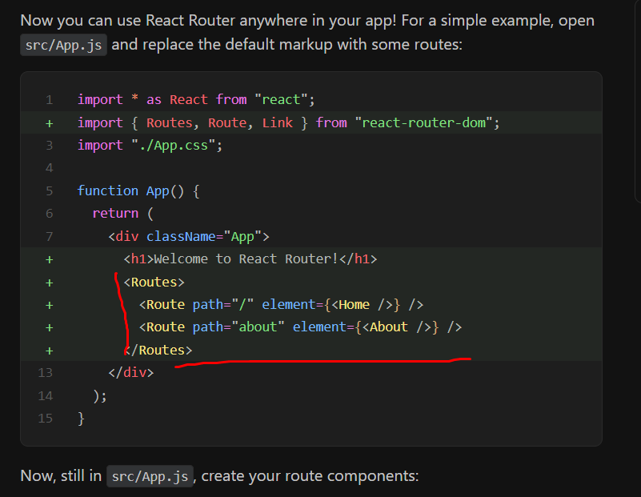

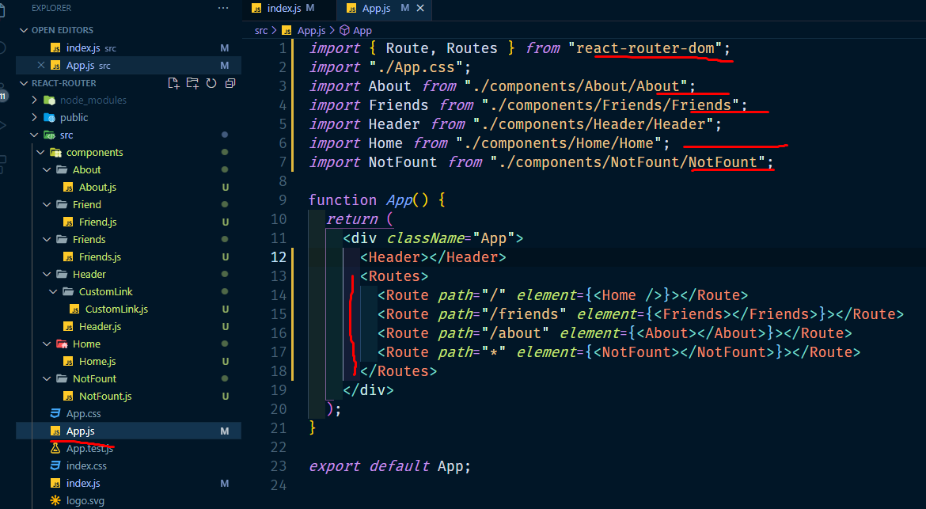

import gola auto anar jonno
example:
Route ace
Rout likeh enter dibo

